Abstract Factory
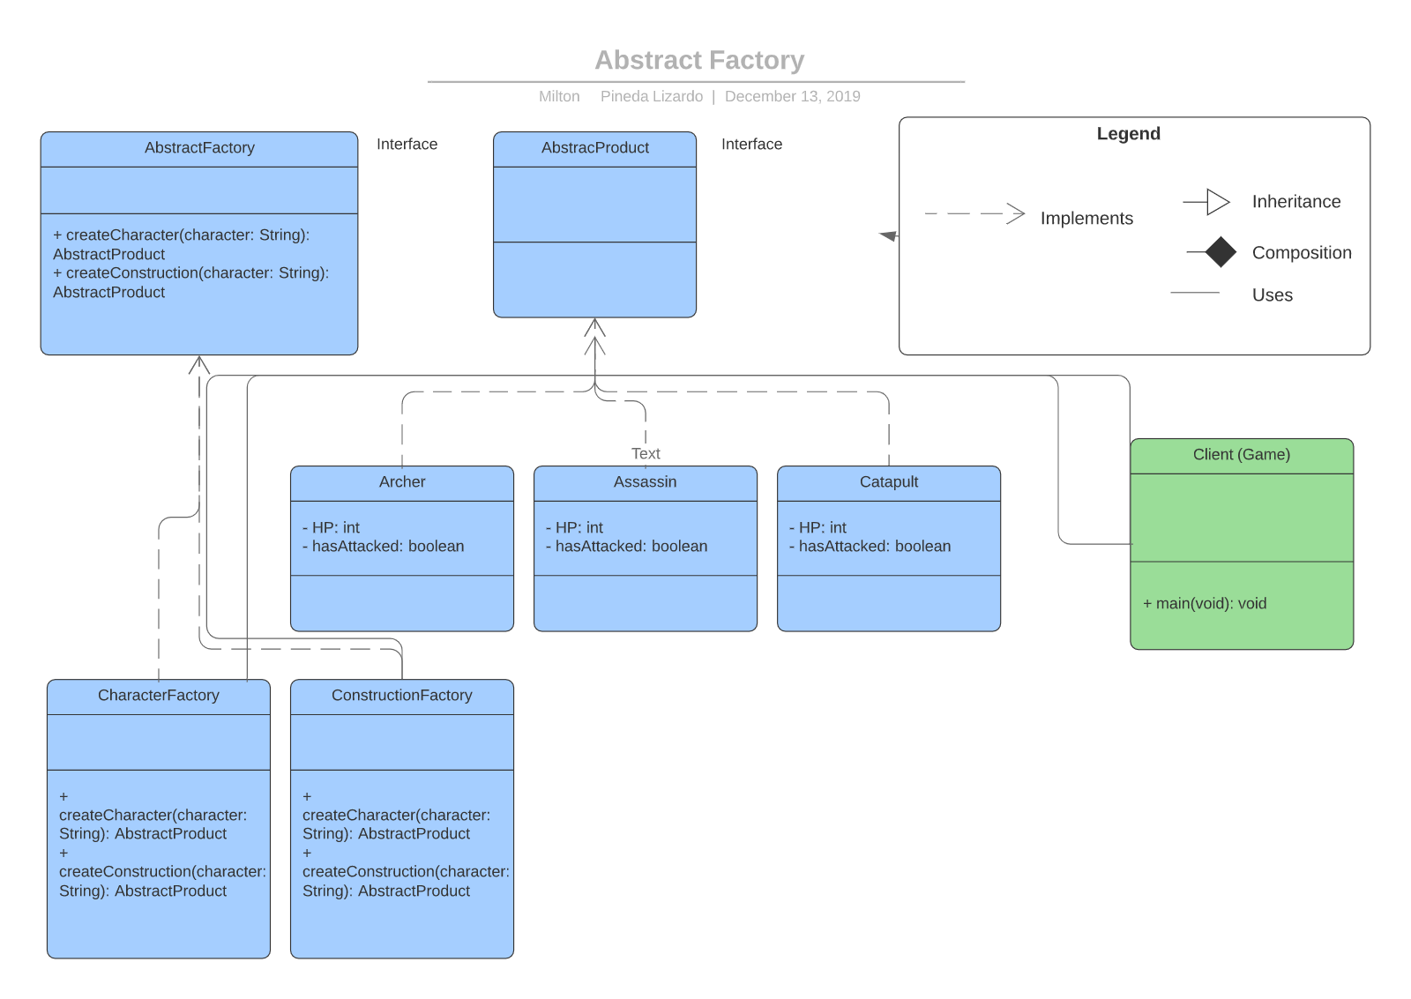
Pattern | Abstract Factory
Purpose | Provide an interface for creating families of related or dependent objects without specifying their concrete classes. A hierarchy that encapsulates: many possible "platforms", and the construction of a suite of "products".
Problem | It is necessary to create different types of objects: castle, archer, mage, horseman, etc.
Solution | The pattern allowed the creation of the mentioned objects without specifying their concrete classes
Participants and Collaborators | Abstract Factory: Declares the interface of the operations that create the abstract products Concrete Factory (TroopFactory - ConstructionFactory): Implements operations to create concrete products. Abstract Product: Declares the interface of a type of product. Establishes methods all products will have to implement. Concrete Product (Castle, Archer, Assassin, etc) : Defines the product to be created by the specific factory and implements the Abstract Product interface. Client (Main): Uses only the factories and product interfaces.
Consequences | The pattern allowed to create several objects through the use of the factories.
Implementation | 1. Creation of the abstract factory and its concrete factories. 2. Creation of the abstract product and its concrete products. 3. Use of the patter through the client.

Builder
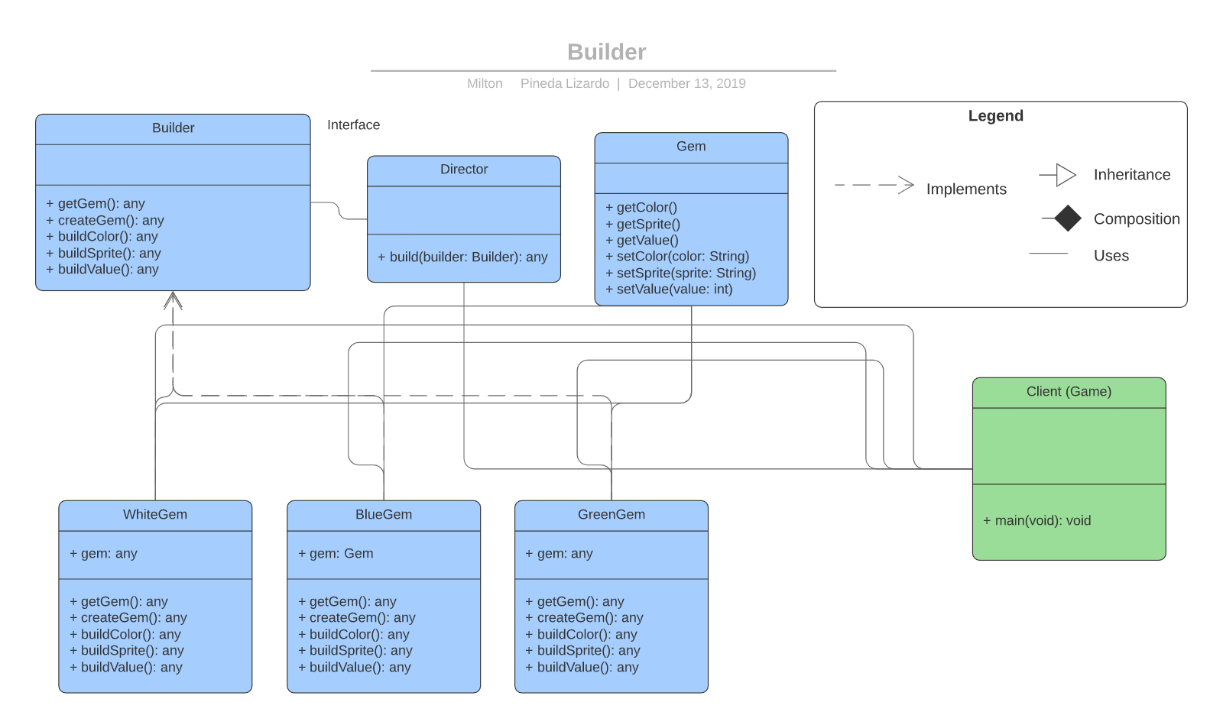
Pattern | Builder
Purpose | The Builder pattern separates the specification of a complex object from its real construction (separating the complex of construction from its representation).
Problem | It is a requirement to be able to pick up gems, which vary in three types; white, blue and green gem. Each on of these have a unique value. These gems are to be used when a user finds one on the board.
Solution | The Builder pattern will allow the construction of these gems, and it will separate the specification from the construction of such.
Participants and Collaborators | Builder: An interface that defines what can be built. Director: A sequence of operations that can be followed to create a product Concrete Classes (White, Blue and Green gem): Concrete classes implementing the Builder interface. Product (Gem): The object under construction, by parts.
Consequences | The builder pattern allowed to construct different types of gems utilizing the director which is uses a specific type of builder.
Implementation | 1. Create the Builder interface. 2. Create the concrete classes which implement the director. 3. Create the product. 4. Create the director. 5. Utilize the pattern through the client by the use of the director and the concrete classes.

Decorator
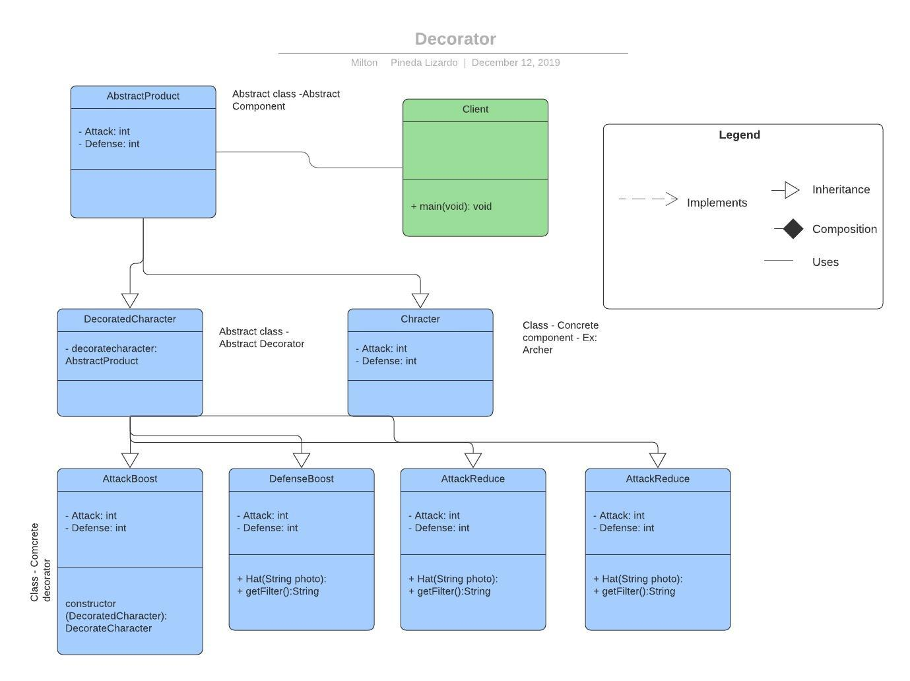
Pattern | Decorator
Purpose | The purpose of the pattern is to provide a way to dynamically link a new state and behavior to an object.
Problem | It is a requirement to be able to pick up power-ups. These are supposed to alter the state of character object.
Solution | Power-ups are used to boost either defense or attack. The Decorator pattern will allow us to dynamically alter the attack and defense state of an object when such power-ups are used.
Participants and Collaborators | Abstract Component (Abstract Product): defines the methods for the specific components whose responsibilities may increase in runtime. (Interface) Abstract Decorator (Decorated Character): maintains a reference of the abstract component. It implements AbstracProduct. Concrete Decorator (Attack/Defense boost/reduce): Add responsibilities to the object. (Extends decorated character) Concrete Component (Archer, assassin, etc): Defines an object to which they can be added responsibilities implements from Abstract Product.
Consequences | The pattern allowed the objects to dynamically adopt a new state for their attack and defense attribute once a power-up is found and used.
Implementation | 1. Create the abstract component. 2. Create the concrete component. 3. Create the abstract decorator. 4. Create the concrete decorator. 5. Utilize the pattern through the client utilizing a concrete decorator and a concrete concrete component as reference.

Iterador
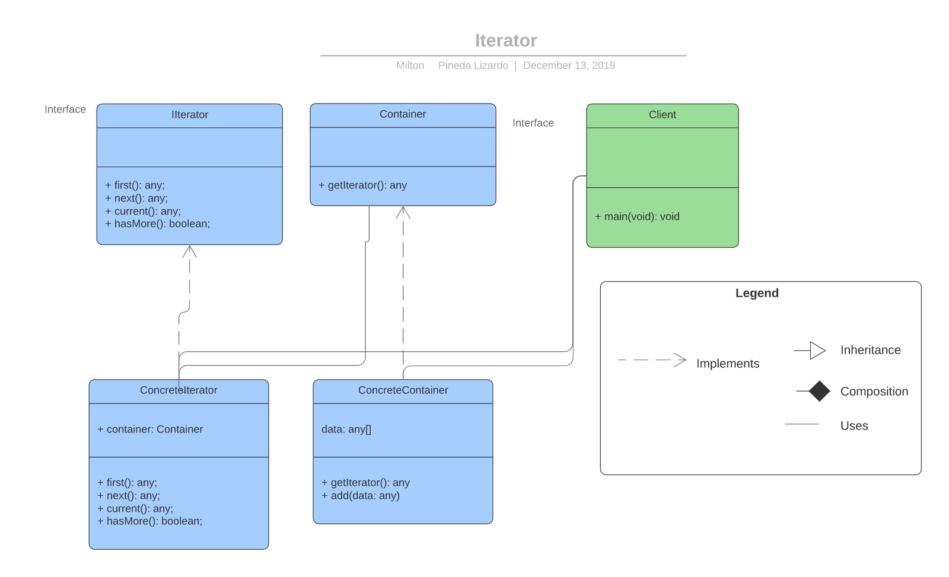
Pattern | Iterator
Purpose | Provide a way to interact with aggregations or Compositions of an object regardless of its representation. It provides a way to access the elements of a collection of sequential form, without knowing how the collection is structured.
Problem | It is a game requirement that each player can only have seven character at a time, including the constructions.
Solution | The pattern will allow the iteration over existing player characters, if the count of such characters equals up to seven the player shouldn't be able to create it.
Participants and Collaborators | Iterator: Defines the interface to access and navigate the elements. Concrete Iterator: Implements the iterator. Keeps track of current position. Container: Defines the interface which will be implemented by the the concrete iterator. Contains methods related to current position, first position, las position, etc. Concrete container: Implements container.
Consequences | The pattern was successfully implemented. Every timer the player attempts to create a character the pattern is used to iterate the players character and keep count of current inventory.
Implementation | Create the iterator interface. Create a concrete iterator class which implement the iterator interface. Create the container interface. Create the concrete container which implements the container interface. Then on the client logic use the container to store data and loop through it.

Memento
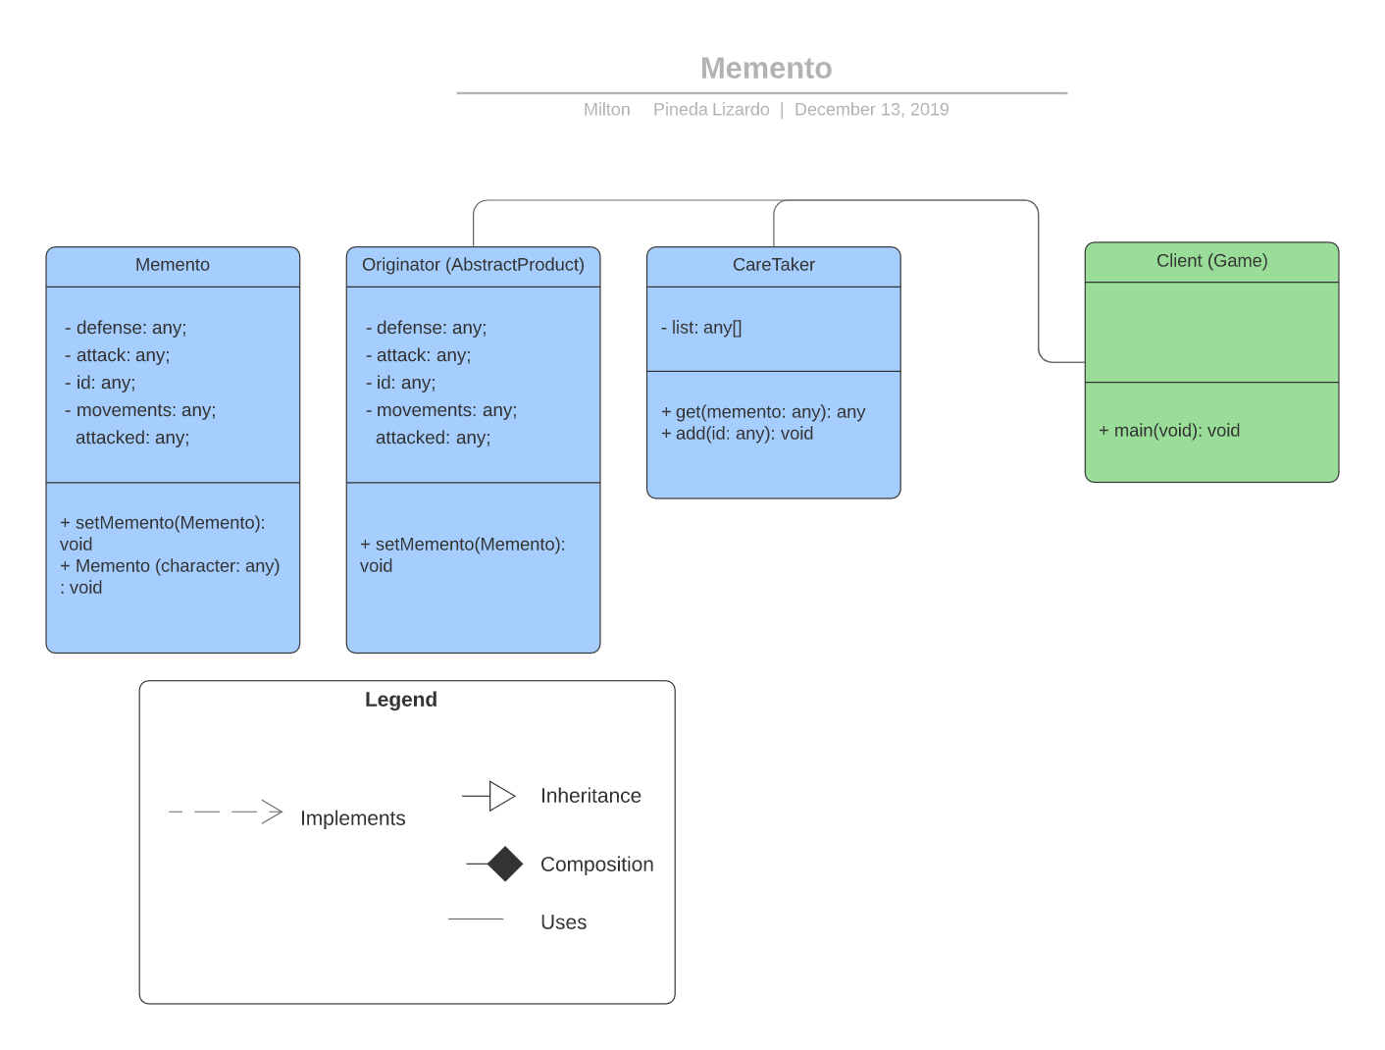
Pattern | Memento
Purpose | This pattern is used to capture the internal state of an object and save it externally so it can be restored later.
Problem | It is a requirement that once a power-up is used and stats are altered for a specific character by the next turn the character stats must return to their original state. It is also a requirement that character may only attack once a turn.
Solution | The pattern will allow to save the defense, attack and hasAttacked state of each character and restore them by the start of each turn
Participants and Collaborators | Memento: Receives a character and stores it's stats at that specific moment. CareTaker: Lets you store mementos Originator (Abstract Product which is implement by each troop type): Is received by the memento to store it's stats.
Consequences | The pattern allowed the objects to be received by the memento and stored by the caretaker, allowing to reference them when the restoration of its state is desired.
Implementation | 1. Create the character (Originator). 2. Create the memento. 3. Create the careTaker. 4. Utilize the client to save a memento in a specific moment.

Observer
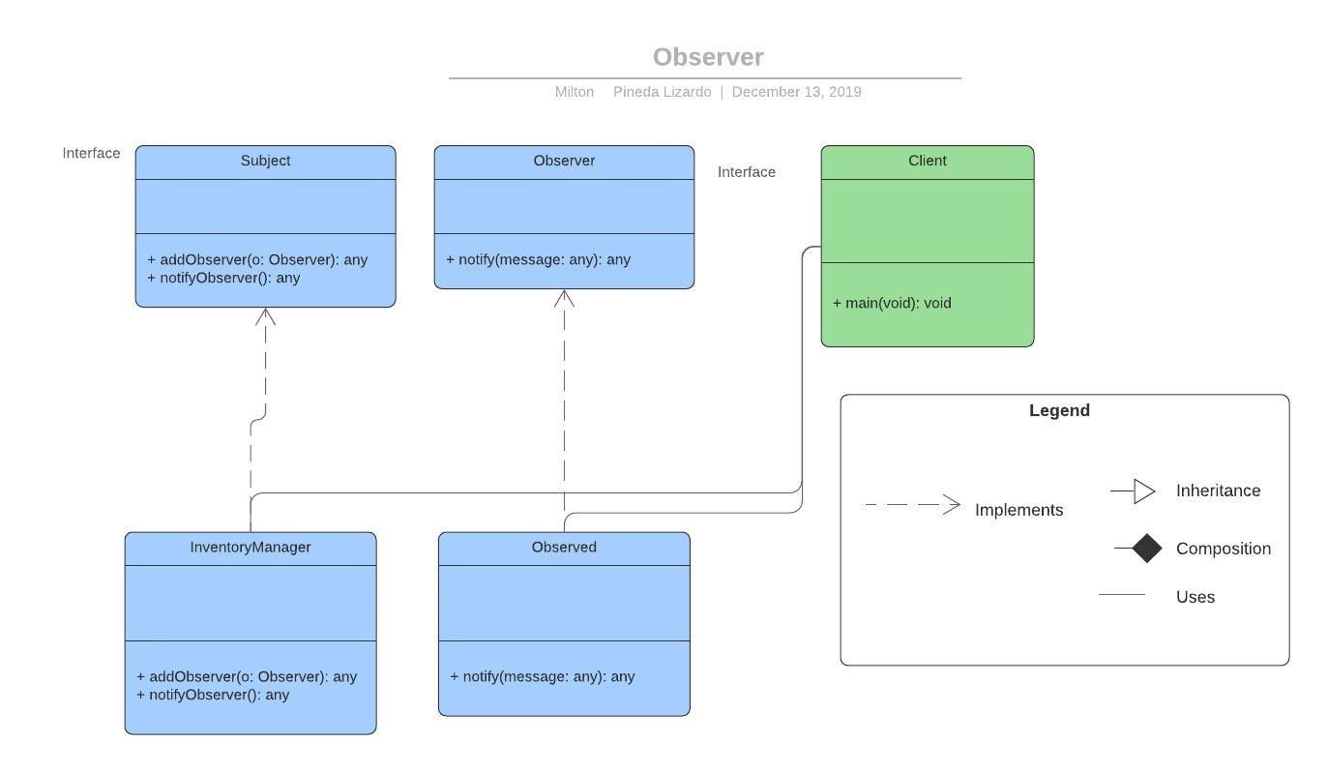
Pattern | Observer
Purpose | El patrón define una dependencia uno-muchos donde cuando cambia un objeto, todos los objetos dependientes son notificados.
Problem | It is a game requirement that each player can only have seven character at a time, including the constructions.
Solution | The pattern will be implemented to check the amount of characters a player currently holds at the time such player attempts to create a new character. In case the game limit is reached the pattern should trigger a notification letting the player know he is not allowed to have more than seven characters.
Participants and Collaborators | Subject: Defines the interface to subscribe / unsubscribe “Observer” objects. InventoryManager (Concrete Subject): Sends change notifications to observers. Implements the Subject interface. Observer: Defines the Observer interface to notify status changes. Observed: Implement Observer interface. It maintains its state in coherence with the concrete subject. Main: It fulfills the role of client.
Consequences | When the player tries to create a new character the observer pattern is activated and if the player inventory has already reached the character limit it triggers the notification that lets the player know such action is not allowed.
Implementation | Interface creation (Subject), creation of a specific class that implements the interface (InventoryManager), Observer interface creation, Observed creation. Implement the pattern on client logic.

